Cover
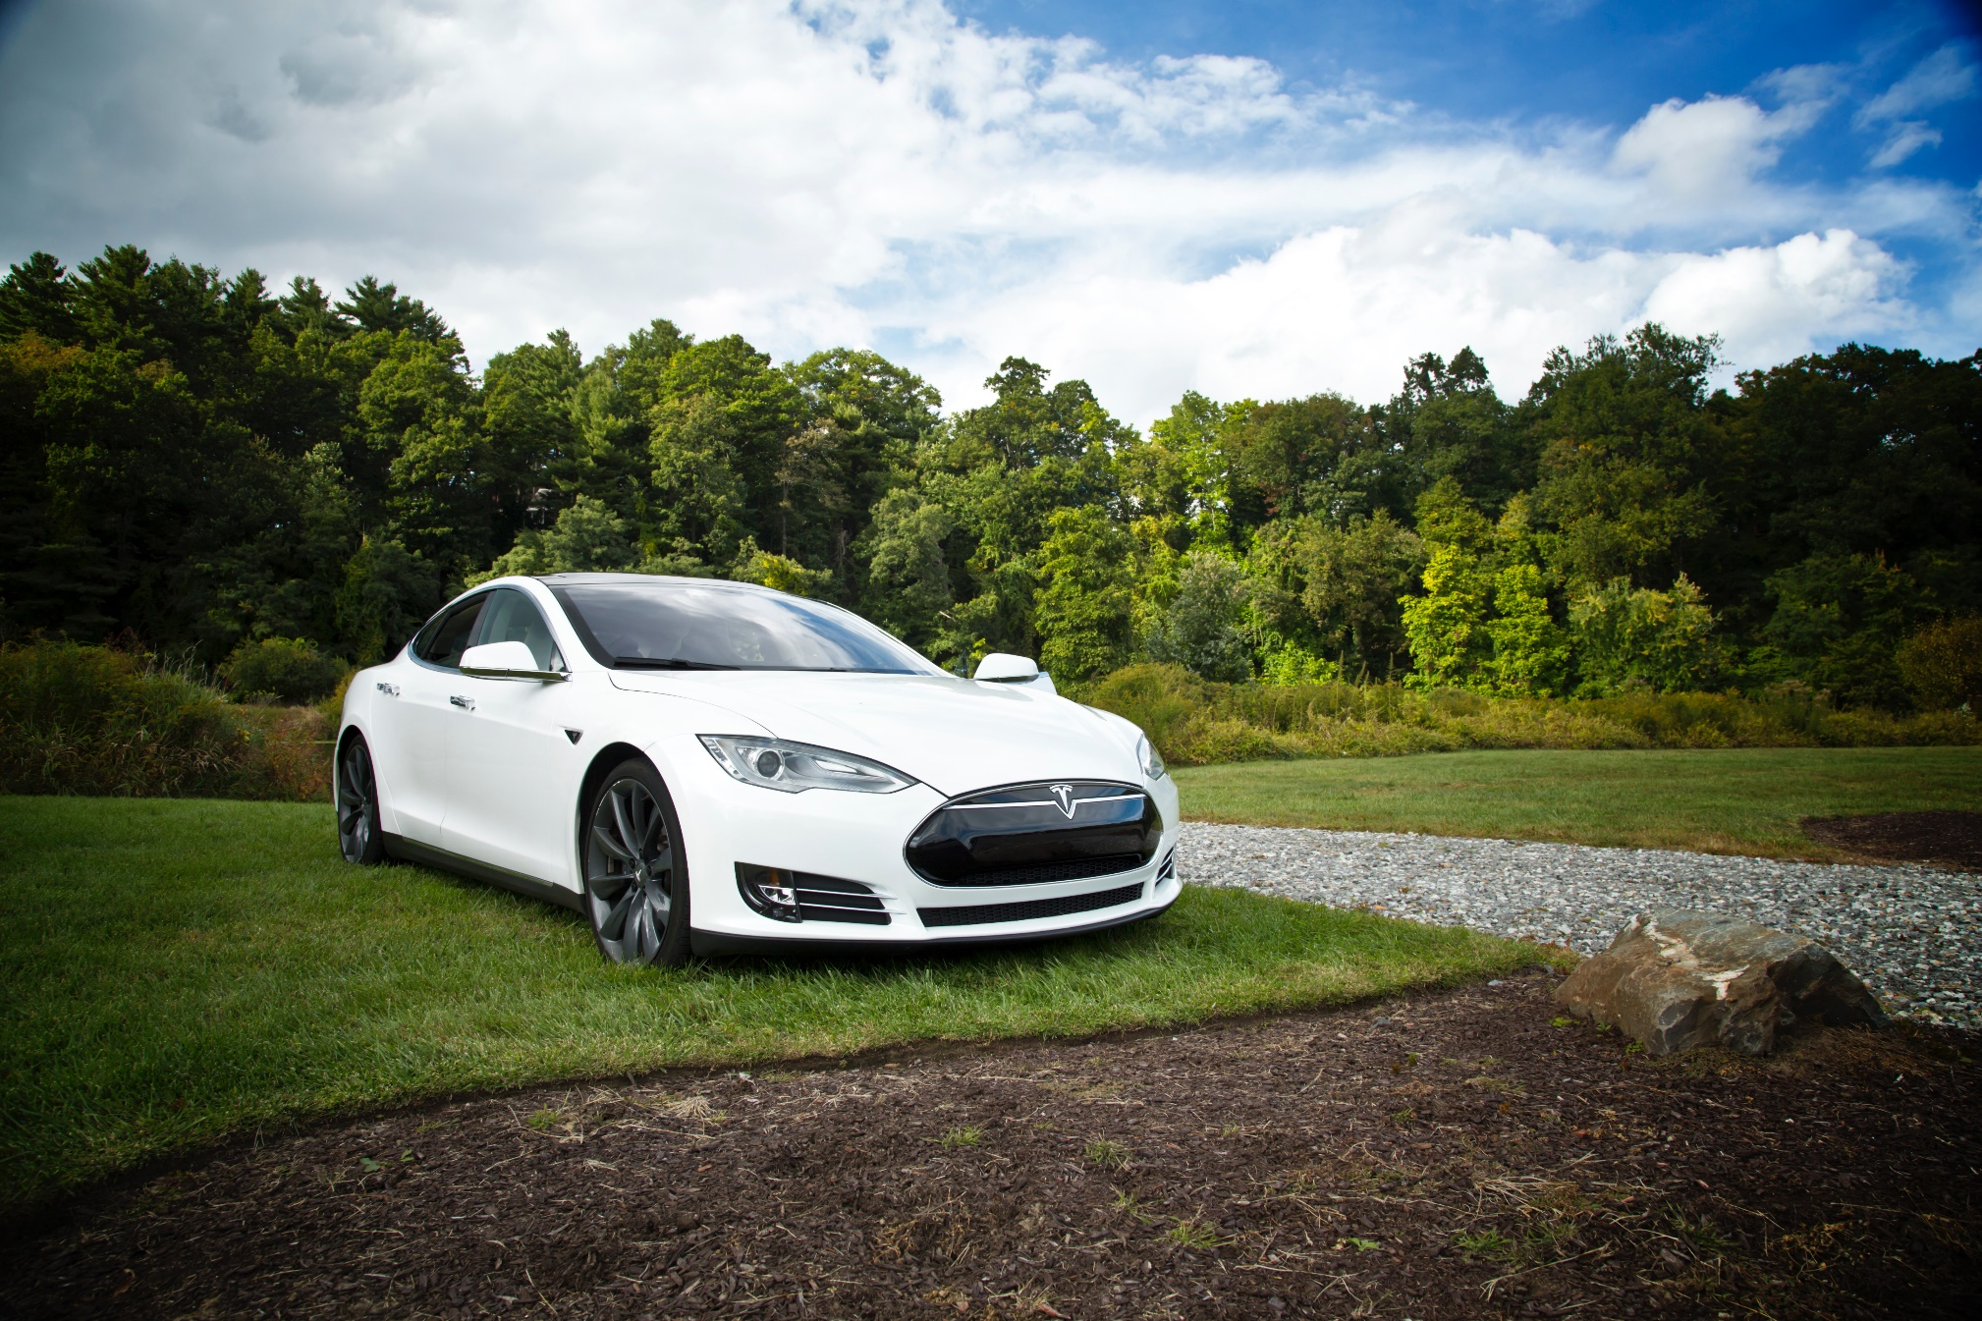

Tesla
Company Analysis

Drivers
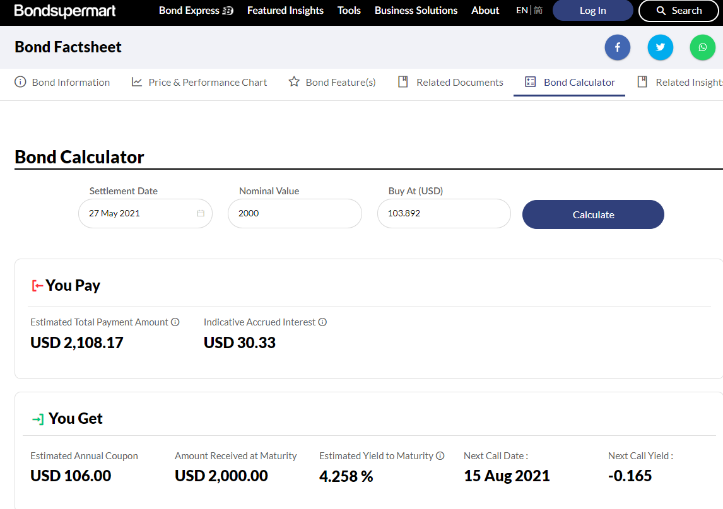
Drivers - May 27 2021
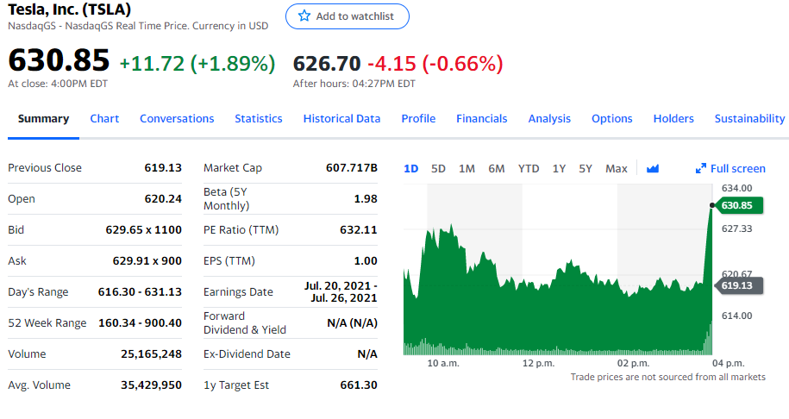
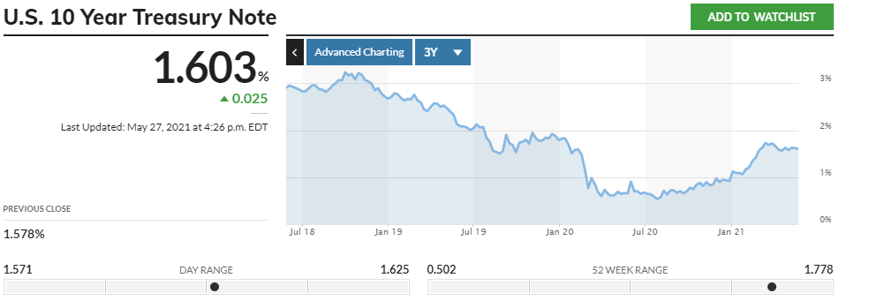
Selected case | 1
Company | Tesla
Currency | USD
Domestic country | United States
10-year treasury yield (May 27 2021) | 1.60%
Market risk premium US | 6%
Company beta (May 27 2021) | 1.98
Tesla share price (May 27 2021) | 630.85
Bond Yield (May 27 2021) | 4.26%
Corporate tax rate | 23%
Expected inflation | 2%

Deliveries Development
Tesla vehicle deliveries 2014-2028 (actuals and forecasts)

 | Tesla Model 3 | Tesla Model S and X | Tesla Model Y | Tesla Roadster 2 | Tesla Cybertruck | Tesla Semi
2014 Act | - | 33,600 |  | - | - | -
2015 Act | - | 50,580 |  | - | - | -
2016 Act | - | 76,230 |  | - | - | -
2017 Act | 1,764 | 101,312 |  | - | - | -
2018 Act | 146,055 | 98,865 |  | - | - | -
2019 Fcst | 300,815 | 66,385 |  | - | - | -
2020 Fcst | 420,385 | 57,039 | 4,425 | - | - | -
2021 Fcst | 588,539 | 58,750 | 26,550
2022 Fcst | 676,820 | 60,513 | 54,682 | 5,000 | 15,000 | 1,000
2023 Fcst | 778,343 | 62,328 | 76,418 | 10,000 | 90,000 | 50,080
2024 Fcst | 840,610 | 64,198 | 106,985 | 15,000 | 135,000 | 103,145
2025 Fcst | 907,859 | 66,124 | 123,033 | 22,500 | 202,500 | 144,144
2026 Fcst | 935,095 | 68,108 | 132,876 | 25,875 | 232,875 | 201,801
2027 Fcst | 963,148 | 70,151 | 143,506 | 29,756 | 267,806 | 232,071
2028 Fcst | 992,042 | 72,255 | 147,811 | 32,137 | 289,231 | 266,882
2028 Fcst | 1,021,803 | 74,423 | 152,245 | 34,708 | 312,369 | 288,232
2029 Fcst | 1,052,457 | 76,656 | 156,812 | 35,749 | 321,740 | 311,291
2030 Fcst | 1,084,031 | 78,955 | 161,517 | 36,821 | 331,392 | 320,630
2031 Fcst | 1,116,552 | 81,324 | 166,362 | 37,926 | 341,334 | 330,248
2032 Fcst | 1,150,049 | 83,764 | 171,353 | 39,064 | 351,574 | 340,156

Revenue and GP Auto
Revenue and Gross Profit automotive

Vehicle | 2014 Act | 2015 Act | 2016 Act | 2017 Act | 2018 Act | 2019 Act | 2020 Act | 2021 Fcst | 2022 Fcst | 2023 Fcst | 2024 Fcst | 2025 Fcst | 2026 Fcst | 2027 Fcst | 2028 Fcst | 2029 Fcst | 2030 Fcst | 2031 Fcst | 2032 Fcst
Revenue automotive | 3,007 | 3,741 | 6,351 | 9,641 | 18,515 | 20,821 | 27,236 | 40,278 | 49,308 | 70,834 | 89,670 | 107,644 | 122,843 | 133,642 | 143,761 | 151,686 | 158,809 | 163,573 | 168,480
Gross Profit automotive | 861 | 918 | 1,601 | 2,209 | 4,341 | 4,423 | 6,977 | 9,677 | 11,942 | 16,851 | 21,174 | 25,428 | 28,913 | 31,435 | 33,780 | 35,644 | 37,284 | 38,403 | 39,555
GP% | 29% | 25% | 25% | 23% | 23% | 21% | 26% | 24% | 24% | 24% | 24% | 24% | 24% | 24% | 23% | 23% | 23% | 23% | 23%

Revenue and Gross Profit automotive

